Top50ProfitableCos
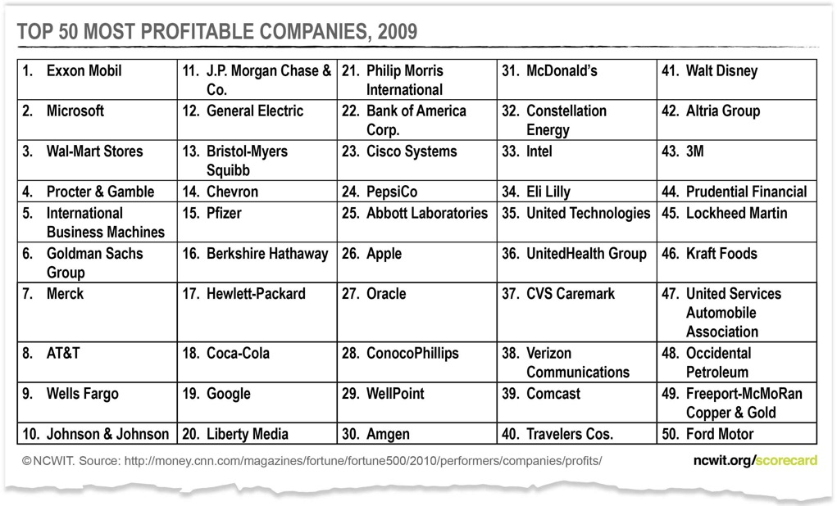
Top 50 Most Profitable Companies (2019)

Top 10 Most Profitable Companies, 2019
Company | Profits ($Millions)
Apple | $59,531
JPMorgan Chase | $32,474
Alphabet | $30,736
Bank of America | $28,147
Wells Fargo | $22,393
Facebook | $22,112
Intel | $21,053
Exxon Mobil | $20,840
AT&T | $19,370
Citigroup | $18,045
Microsoft | $16,571
Fannie Mae | $15,959
Verizon Communications | $15,528
Johnson & Johnson | $15,297
Chevron | $14,824
Micron Technology | $14,135
Walt Disney | $12,598
PepsiCo | $12,515
Broadcom | $12,259
UnitedHealth Group | $11,986
Comcast | $11,731
Pfizer | $11,153
Home Depot | $11,121
Boeing | $10,460
Goldman Sachs Group | $10,459
Visa | $10,301
Amazon.com | $10,073
Procter & Gamble | $9,750
Freddie Mac | $9,235
State Farm Insurance | $8,788
Morgan Stanley | $8,748
IBM | $8,728
Amgen | $8,394
General Motors | $8,014
Philip Morris International | $7,911
U.S. Bancorp | $7,096
Altria Group | $6,963
American Express | $6,921
Honeywell International | $6,765
Walmart | $6,670
NextEra Energy | $6,638
Coca-Cola | $6,434
ConocoPhillips | $6,257
Merck | $6,220
Caterpillar | $6,147
Capital One Financial | $6,015
Union Pacific | $5,966
McDonald's | $5,924
Mastercard | $5,859

• Many of these companies are not known as "technical" companies, but all of them employ many computing specialists to support their complex infrastructures and data needs.
• The profitability of tech companies has continued to grow over the past several years.
• Tech companies are increasingly represented among Fortune's analysis of the most profitable companies in the world.

Source: Fortune 500 (http://fortune.com/fortune500/list/filtered?sortBy=profits&first500).
Note: Sorted by profit

Updated 11-10-2019

PredictJobGrowthAll
Predicted Job Growth of Select Occupational Classifications (2018-2028)

Predicted Job Growth by Occupational Classification, 2018-2028
Occupational Classification | Predicted Change
Computer and Information Scientists | 17%
Community and Social Service Occupations | 11%
Healthcare Practitioners and Technical Occupations | 10%
Healthcare Support Occupations | 8%
Personal Care and Service Occupations | 8%
Construction and Related Occupations | 8%
Financial Analysts | 6%
Education, Training, and Library Occupations | 6%
Engineers | 5%

• Job growth in computing is expected to continue, which is good news for women – and men – who are considering the field.
• Compared to all occupations, which are projected to grow 5% by 2028, computing-related occupations are projected to grow by 17%.
• Currently, women's participation in computing is less than that of engineering, a field that has seen a dramatic increase in women's participation since the 1970s.
Source: Bureau of Labor Statistics: Employment Projections, 2018-2028 (15-1111 Computer and Information Scientists, 21-1000 Community and Social Service Occupations, 29-9099 Healthcare Practitioners and Technical Occupations, 31-9099 Healthcare Support Occupations, 13-2051 Financial Analysts, 25-9099 Education, Training, and Library Occupations, 39-9099 Personal Care and Service Occupations, 47-4000 Construction and Related Occupations, 17-2000 Engineers).
Updated 03-03-20

PredictJobGrowthCIS
Predicted Job Growth by Computing Occupational Classification, 2018-2028
Predicted Job Growth of Select Computing Occupational Classifications (2018-2028)

Occupational Classification | Predicted Change
Information Security Analysts | 32%
Software Developers, Applications | 26%
Computer and Information Research Scientists | 17%
Web Developers | 13%
Software Developers, Systems Software | 10%
Database Administrators | 9%
Computer Systems Analysts | 9%
STEM Occupations | 9%
Computer Network Support Specialists | 6%
Computer Network Architects | 5%
Network and Computer Systems Administrators | 5%
Computer Programmers | -7%

Information Security Analysts is expected to be one of the top ten fastest growing occupations over the next eight years.
Software developers is projected to be the second fastest growing computing occupation.
For the first time, Computer Programmers is expected to have negative growth.

Source: Bureau of Labor Statistics: Employment Projections, 2018-2028 (15-1132 Software Developers-Applications, 15-1122 Information Security Analysts, 15-1111 Computer and Information Research Scientists, 15-1134 Web Developers, 15-1141 Database Administrators, 15-1133 Software Developers-Systems Software, 15-1121 Computer Systems Analysts, 15-1152 Computer Network Support Specialists, 15-1143 Computer Network Architects, 15-1142 Network and Computer Systems Administrators, 15-1131 Computer Programmers).

Updated 02-26-20

Top10Salaries
Top 10 Salaries for Undergraduate Degrees (2019)
Top 10 Salaries for Undergraduate Degrees, 2019
Undergraduate Degree | Early-Career Salary | Mid-Career Salary
1. Petroleum Engineering | $94,500 | $176,900
2. Physician Assistant Studies | $91,100 | $109,600
3. Electrical Engineering & Computer Science | $88,000 | $142,200
4. Pharmacy | $79,600 | $132,500
5. Metallurgical Engineering | $78,100 | $115,300
6. Operations Research | $77,900 | $137,100
7. Computer Science (CS) & Physics | $77,300 | $113,400
8. Nuclear Engineering Technology (NET) | $76,900 | $100,200
9. Petroleum Land Management | $76,800 | $112,200
10. Welding Engineering | $76,300 | $118,000

• Engineering fields dominate the highest-paying majors, both in early- and mid-career salaries.
• Many of these majors require computing skills both in college and on the job.

Source: Payscale College Salary Report https://www.payscale.com/college-salary-report/majors-that-pay-you-back/bachelors

Updated 02-26-20

SalaryGenderMajor
Median Salary by Gender and Undergraduate Major (2018)

Gender Pay Gap by Major, 2018
 | Difference
Computer Science | $2,936
Mechanical Engineering | $3,241
Social Work | $3,654
Finance | $3,907
Economics | $4,234
Graphic Design | $4,302
Sociology | $5,922
Communications | $6,251
Political Science | $6,625
English and Literature | $7,409
Bachelor of Arts (average) | $9,569
Bachelor of Science (average) | $12,163
Major | Females | Males | Difference
Computer Science | $79,223 | $82,159 | $2,936
Mechanical Engineering | $74,385 | $77,626 | $3,241
Social Work | $45,446 | $49,100 | $3,654
Finance | $62,007 | $65,914 | $3,907
Economics | $66,273 | $70,507 | $4,234
Graphic Design | $48,960 | $53,262 | $4,302
Sociology | $53,891 | $59,813 | $5,922
Communications | $53,862 | $60,113 | $6,251
Political Science | $59,029 | $65,654 | $6,625
English and Literature | $52,734 | $60,143 | $7,409
Business Administration | $58,299 | $65,941 | $7,642
Fine Arts | $50,170 | $57,858 | $7,688
Education | $51,212 | $59,258 | $8,046
Biology | $61,824 | $70,157 | $8,333
Psychology | $54,097 | $62,687 | $8,590
History | $55,617 | $64,648 | $9,031
Engineering | $75,152 | $84,301 | $9,149
Bachelor of Arts (average) | $55,236 | $64,805 | $9,569
Mathematics | $65,422 | $75,761 | $10,339
Humanities | $49,758 | $60,777 | $11,019
Bachelor of Science (average) | $59,678 | $71,841 | $12,163

• Of the degrees examined by Payscale, Computer Science has the smallest difference in median earnings of men and women, followed by Mechanical Engineering.
• The pay difference between men and women with Computer Science degrees is about 1/4 of the average salary difference among BS degree holders.

Source: Payscale Degree Report, 2018: https://www.payscale.com/index/US/Degree

Updated 02-26-20

UnemplymntbyMajor
Unemployment Rate of 25-to-29-year-olds by Undergraduate Field of Study (2018)

Field of Study | Unemployment Rate
Liberal Arts and Humanities | 5.6
Social Work and Human Services | 5
Fine Arts | 4.6
Commercial Art and Graphic Design | 4.5
History | 4.3
Mathematics | 4.1
Criminal Justice and Protection | 4.1
Unemployment Rate of 25- to 29-Year-Olds by Undergraduate Field of Study (percent), 2018
 | Unemployment Rate
Liberal Arts and Humanities | 5.6
Social Work and Human Services | 5
Fine Arts | 4.6
Commercial Art and Graphic Design | 4.5
History | 4.3
Mathematics | 4.1
Criminal Justice and Protection | 4.1
English Language and Literature | 4
Multi/Interdisciplinary Studies | 4
Computer and Information Systems | 3.8
STEM (average) | 3
Average (all fields) | 3.1
English Language and Literature | 4
Multi/Interdisciplinary Studies | 4
Computer and Information Systems | 3.8
Business Management and Administration | 3.7
Economics | 3.6
Electrical Engineering | 3.3
Sociology | 3.3
Political Science and Government | 3.2
Communications and Communications Technologies | 3.2
STEM (average) | 3
Average (all fields) | 3.1
Physical Fitness, Parks, Recreation, and Leisure | 3
Biology | 3
Business (other) and Medical Administration | 2.9
Psychology | 2.9
Marketing and Marketing Research | 2.8
Business (general) | 2.8
Physical Sciences | 2.7
General Medical and Health Services | 2.6
Accounting | 2.4
Engineering (other) | 2.3
Education (other) | 2.1
Finance | 2.1
Elementary Education | 2
General Education | 1.5
Nursing | 1.1

• According to NCES data, Computing has a slightly higher unemployment rate than the STEM average, though it is not a statistically significant difference.
• Engineering has the sixth lowest unemployment rate among 25- to 29-year olds.

Source: National Center for Education Statistics, 2018: Employment Outcomes of Bachelor's Degree Recipients

Updated 02-26-20

